Sheet2
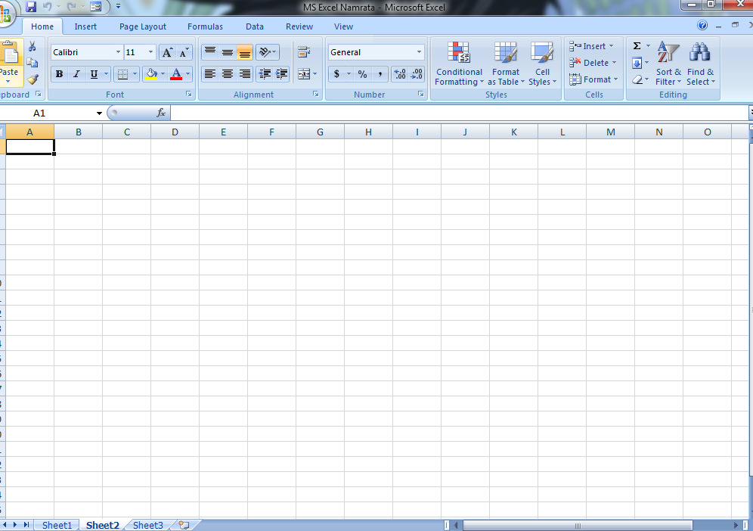

Worksheet

SHEET 1

A1

Cell name

Formula bar

Ribbon

Sheet14
CHARTS
 | shortcut key ALT + f1

 |  | ANNUAL SALES
 |  |  |  | ONLINE SALES | STORE SALES
 |  |  | TSHIRT | 4000 | 25000
 |  |  | JOGGERS | 300000 | 200000
 |  |  | JORDANS | 300000 | 150000

 | DEFINITION
 | A chart is a tool you can use in Excel to communicate data graphically. Charts allow your audience to see the meaning behind the numbers, and they make showing comparisons and trends much easier.

 |  |  |  |  |  | CHANGING THE COLORS, ADDING IMAGES

Sheet15
FINANCE FUNCTIONS
 | HOME LOANS
The excel financial functions have been made available to execute variety of financial calculations, including calculations, investment valuations, interest rates, internal rate of return, asset depreciation, and payments. |  | PV RATE NPER | TOTAL HOME PRICE | 6,000,000.00
 |  |  | INTERESTS RATE[p.a] | 5%
 |  |  | NO OF PERIODS(yrs) | 30

 |  | PMT | MONTHLY PAYMENT | -32,209.30

 |  | TOTAL AMOUNT PAID |  | -11,595,347.06

Sheet20
LINK TO MY PROJECTS




STUDENTS MARKSHEET | EMPLOYEE PAYROLL

